Test Case #1
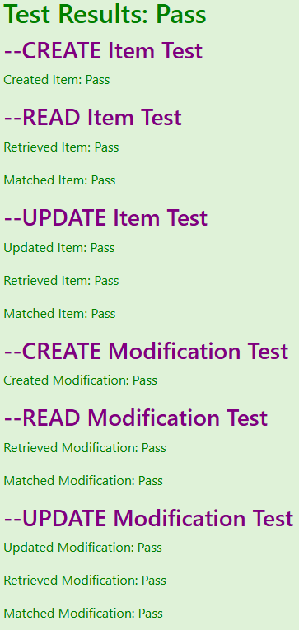
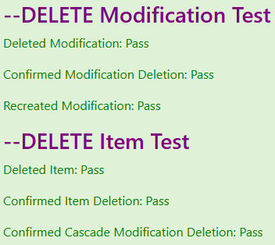
Project Name: |  | Online Food Portal
Module Name: |  | Item & Modification Services
Release Version: |  | 1.3
Test Designed By: |  | Nicholas Stanfill
Test Designed Date: |  | 2025-12-15
Test Executed By: |  | Nicholas Stanfill
Test Execution Date: |  | 2025-12-21

Test Case # | Test Title |  | Test Steps | Test Data | Expected Result | Actual Result | Pass/Fail Status | Notes
1 | Item/Modification CRUD |  | Navigate to <address>/Test Press [Item/Modification CRUD] | Item and modification are automatically generated and updated | Test Results: Pass 18 unit tests, each Pass | Test Results: Pass 18 unit tests, each Pass | PASS | The test is performed automatically with each change being verified by comparing the properties of the created object in memory and the retrieved object from the database The unit tests pass based on rows affected in the database or successfully comparing all properties Creates, reads, and updates an item Creates, reads, and updates a modification Deletes the modification, then recreates the modification Deletes the item, with cascade deleting the modification

Test Case #2
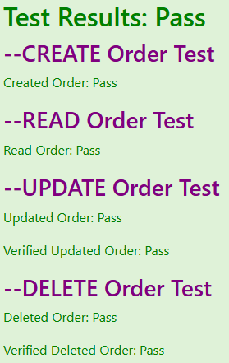
Project Name: |  | Online Food Portal
Module Name: |  | Order Service
Release Version: |  | 1.3
Test Designed By: |  | Nicholas Stanfill
Test Designed Date: |  | 2025-12-15
Test Executed By: |  | Nicholas Stanfill
Test Execution Date: |  | 2025-12-21

Test Case # | Test Title |  | Test Steps | Test Data | Expected Result | Actual Result | Pass/Fail Status | Notes
2 | Order CRUD |  | Navigate to <address>/Test Press [Order CRUD] | Order is automatically created and updated | Test Results: Pass 6 unit tests, each Pass | Test Results: Pass 6 unit tests, each Pass | PASS | The test is performed automatically with each change being verified by comparing the properties of the created object in memory and the retrieved object from the database The unit tests pass based on rows affected in the database or successfully comparing all properties Creates, reads, updates, and deletes an order

Test Case #4
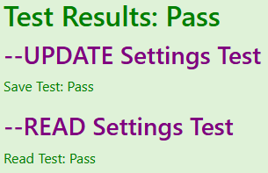
Project Name: |  | Online Food Portal
Module Name: |  | Store Settings Service
Release Version: |  | 1.3
Test Designed By: |  | Nicholas Stanfill
Test Designed Date: |  | 2025-12-15
Test Executed By: |  | Nicholas Stanfill
Test Execution Date: |  | 2025-12-21

Test Case # | Test Title |  | Test Steps | Test Data | Expected Result | Actual Result | Pass/Fail Status | Notes
4 | Store Settings RU |  | Navigate to <address>/Test Press [Store Settings RU] | The new store settings are automatically generated | Test Results: Pass 2 unit tests, each Pass | Test Results: Pass 2 unit tests, each Pass | PASS | The test is performed automatically. Creates a backup of the original settings and replaces them after the test The store settings are randomly generated, updated in the database, and verified through retrieval from the database

Test Case #5
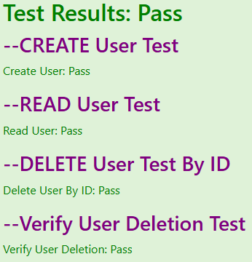
Project Name: |  | Online Food Portal
Module Name: |  | User Service
Release Version: |  | 1.3
Test Designed By: |  | Nicholas Stanfill
Test Designed Date: |  | 2025-12-15
Test Executed By: |  | Nicholas Stanfill
Test Execution Date: |  | 2025-12-21

Test Case # | Test Title |  | Test Steps | Test Data | Expected Result | Actual Result | Pass/Fail Status | Notes
5 | User CRD |  | Navigate to <address>/Test Press [User CRD] | The user is automatically generated with a random name to avoid affecting an existing user | Test Results: Pass 4 unit tests, each Pass | Test Results: Pass 4 unit tests, each Pass | PASS | The test is performed automatically Generates a random user, verifies the user exists in the database, deletes the user, and verifies the user no longer exists

